P2P
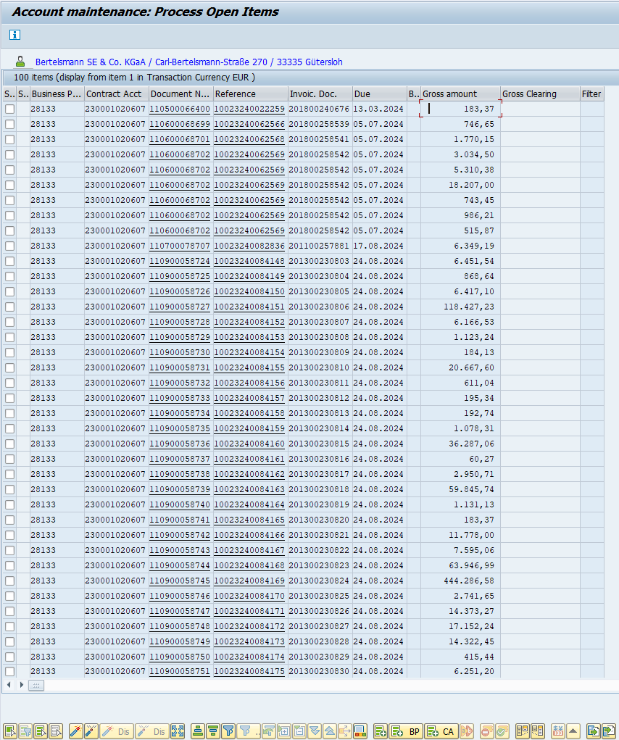
Invoice Ref Numbers (ODN): | Date of Avis | Date of pmt | Avis Value CHECK | Conditions: | 1 - The Zahlungs avis is saved on desktop and called "avis.msg"
 | 2025-03-06 | 2025-03-17 | 3.513,25 |  | 3 - Correct date of avis and personal number is declared
 |  |  |  |  | 2 - ISP in on
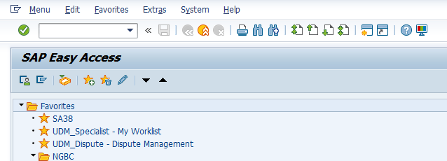
 | 06.03.2025
 | 17.03.2025 | FALSE
 | 125

 | Date Quick adjust | Does the Avis contain Credit or are invoices multiple accounts?
 |  | if you find a mistake press "Esc" a couple of times and the macro will stop

 |  | ODN nr. Input BELOW ONLY: |  | video tutorial: | Anweisungen

 | Use arrows to adjust the date by 1 day

 |  |  |  |  | Additionally, if you just need to insert values into your P2P / clearing window, you may use the Input column and press the button below, this only works if you're already on the Clearing/P2P screen.

 |  |  |  | ODN insert

